Washington Regions
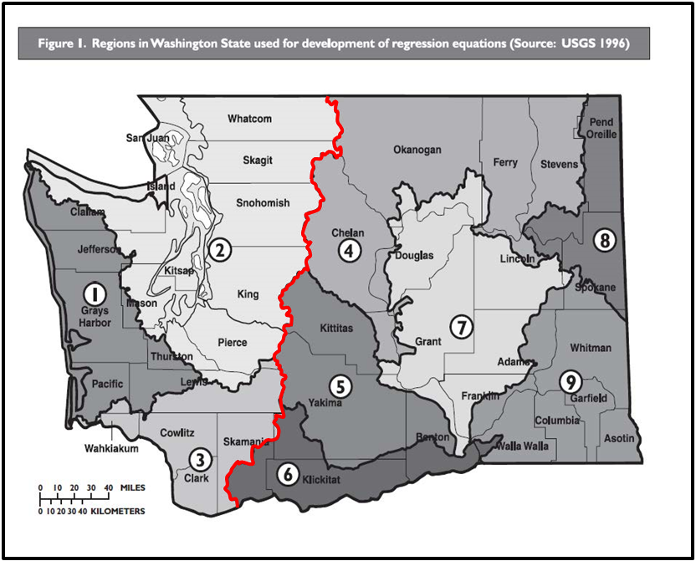
ATTENTION: The Qfp calculator regression equation only works in regions 1, 2 and 3 (west of the red line). For qfp calculations in regions 4 through 9
contact the Washington Department of Fish and Wildlife Fish Passage Division | http://wdfw.wa.gov/conservation/habitat/fish_passage/contacts.html

Intensity Map
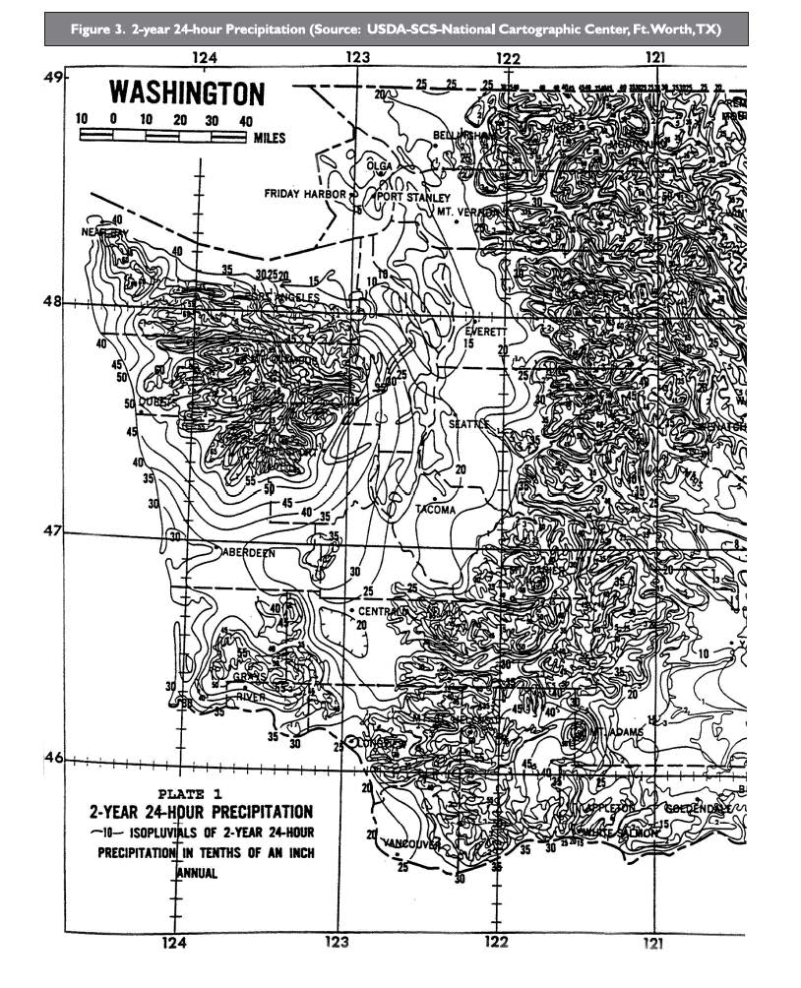

Note:
The values listed on the map are in tenths of an inch.
A value read from the map as 30 should be
recorded as an Intensity, I of 3.0 inches

